Copy of 2017 Measurement
2017 Measurement
Question description | Question | Solution | Score and Description | Sample Responses | Incorrect answer - Student Response | Grade | Year | Block | Type | Difficulty | Percentage | Item Performance
Compare measurements using unit conversions | 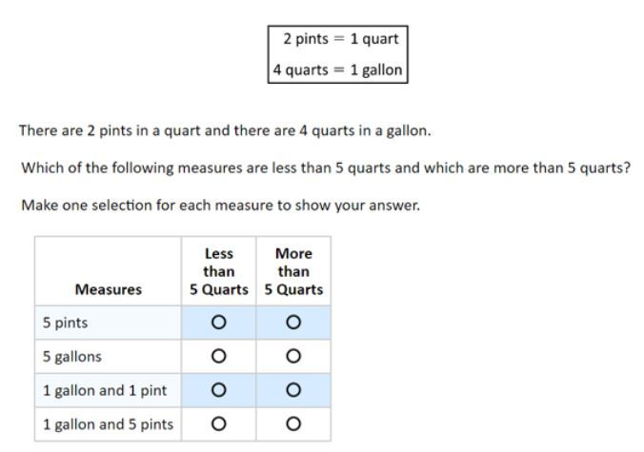 | 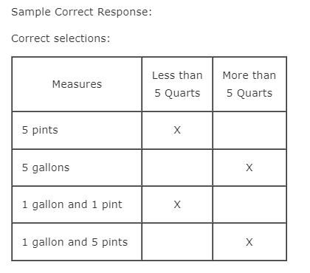 | Correct: Four correct selections Partial: Three correct selections | No student responses are available for this question. | Incorrect: Fewer than three correct selections | 8 | 2017 | 8M3 | SR (Selected Response) | Easy | Correct: 59% Incorrect: 14% Partial: 27% Omitted: rounds to zero Off task: rounds to zero

Determine the diameter of a circle given the circumference | 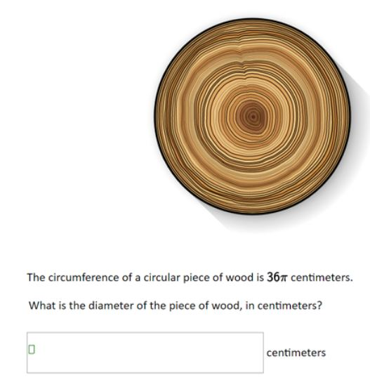 | Sample Correct Response: Answer: 36 centimeters (or equivalent) Solution (not required in response): Since C = πd. 36π = πd. Then d = 36 | Correct: Answer of 36 | Correct - Student Response: What is the diameter of the piece of wood, in centimeters? 36 centimeters This correct response shows an answer of 36 centimeters. | Incorrect 1: Answer of 18 Incorrect 2: Answer of 6 Incorrect 3: Other incorrect responses Incorrect 1 - Student Response 1: What is the diameter of the piece of wood, in centimeters? 18 centimeters Incorrect 1 - Student Response 2: What is the diameter of the piece of wood, in centimeters? 18 cm centimeters These incorrect responses (incorrect 1) each indicate a diameter of 18 centimeters. Incorrect 2 - Student Response: What is the diameter of the piece of wood, in centimeters? 6 cm centimeters This incorrect response (incorrect 2) indicates a diameter of 6 centimeters. Incorrect 3 - Student Response 1: What is the diameter of the piece of wood, in centimeters? 16 cm centimeters Incorrect 3 - Student Response 2: What is the diameter of the piece of wood, in centimeters? 6π cm centimeters These incorrect responses (incorrect 3) each indicate a diameter other than 36, 18, or 6 centimeters. | 8 | 2017 | 8M3 | SCR (Short Constructed Response) | Hard | Correct: 12% Incorrect 1: 15% Incorrect 2: 8% Incorrect 3: 58% Omitted: 6% Off task: 1%

Create a proportion that can be used to find a distance on a map | 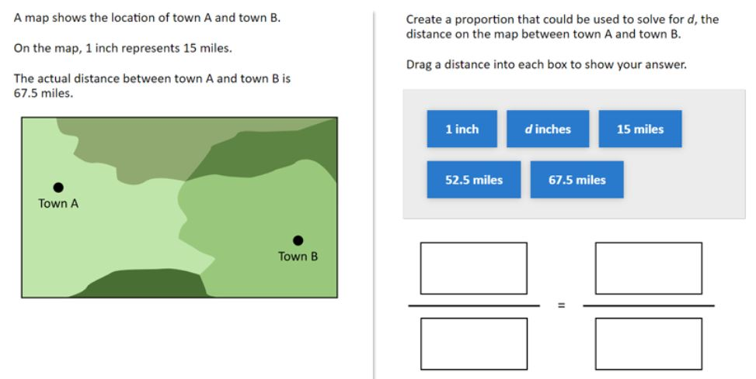 | 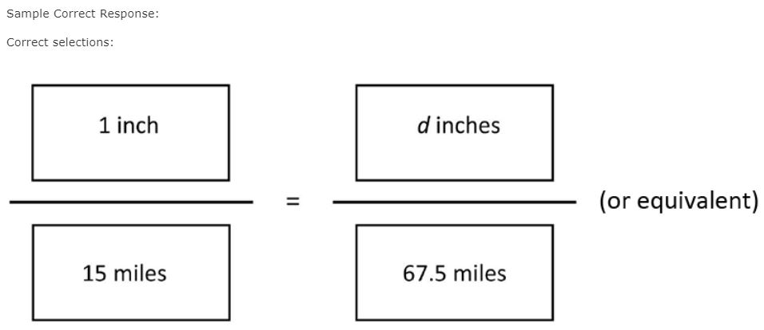 | Correct: Four distances correctly placed | No student responses are available for this question. | Incorrect: Incorrect response | 8 | 2017 | 8M3 | SR (Selected Response) | Easy | Correct: 67% Incorrect: 32% Omitted: 1% Off task: rounds to zero

Select appropriate unit for measuring a particular attribute (calculator available) | Casey goes running every morning. Whci of the following units can Casey use to measure the distance he runs? A. Cubic feet B. Grams C. Liters D. Meters E. Square miles | The correct answer is: D. Meters |  |  |  | 8 | 2017 | 8M9 | MC (Multiple Choice) | Medium | A: 6% B: 1% C: 1% D: 54% E: 38% Omitted: rounds to zero

Calculate the volume of a cylinder (calculator available) | 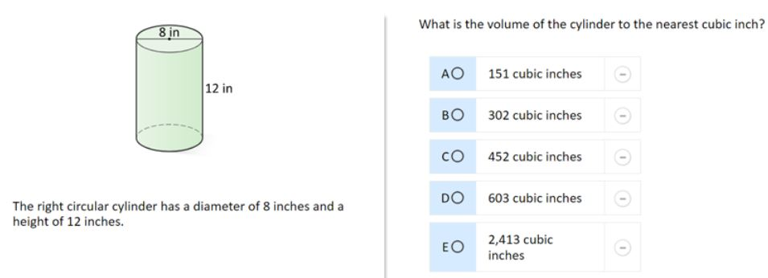 | The correct answer is: D. 603 cubic inches |  |  |  | 8 | 2017 | 8M9 | MC (Multiple Choice) | Hard | A: 25% B: 29% C: 18% D: 21% (correct) E: 4% Omitted:

